EU FORM---RU DISPLAY
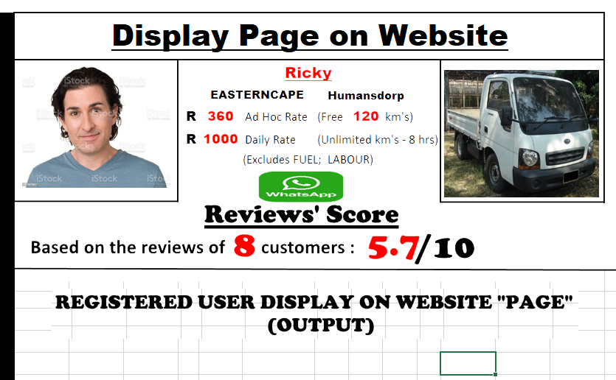
Ricky +27823456789
REVIEW CRITERIA |  |  | Weight (Y=1;N=0)
Question |  | Answer
1 | Was the driver on time? | Yes | 1
2 | Did the driver remain on budget? | Yes | 1
3 | Did the driver have a neat appearance? | Yes | 1
4 | Was the driver flexible to changes? | No | 0
5 | Did the vehicle appear well kept? | No | 0
6 | Will you use the driver again? | Yes | 1
7 | Will you recommend the driver? | Yes | 1
8 | Was the driver neatly dressed? | No | 0
9 | Was the driver courteous/friendly? | No | 0
10 | Rate your overall experience (out of 10). | 7 | 0.7 | (x 0.1)
 |  |  | 5.7 | /10
EU RATING FORM

